1. Title Page
Instacart Grocery Basket Analysis

Project Name: Instacart Grocery Basket Analysis
Date: August 8th, 2023
Analyst Name: Carolina Marcucci

Contents:
Population Flow
Consistency checks
Wrangling steps
Column derivations
Visualizations
Recommendations

Note: Instacart is a real company that’s made their data available online. However, the contents of this project have been fabricated for the purpose of this Achievement.

2. Population Flow
Title page

Population flow

Exclusion flag
Condition: max_order < 5
Obervations to be removed: 1,440,295
Final total count of order_products_all: 30,964,564

Orders_products_combined
Orders_products_merged
Orders_products_all

Total: 32,434,489 rows x 10 columns
Total: 32,404,859 rows x 14 columns
Total:32,404,858 rows x 28 columns

1.) The grey boxes in the first row of the population flow represent the original data sets as they were when you downloaded them. In the Total fields you need to add the count of the rows when you imported the data set into Jupyter.
2.) The second row of boxes (coloured) represents the data sets after you manipulated them, e.g., removed missing values and duplicates. In the Total fields you need to add the count of the rows after conducting these operations. This offers a visual oveview of how the data flows throughout the data consistency checks.
3.) The third row, where also the arrows are coloured, represents the merges you performed between the datasets. In the Total fields you need to add the count of the rows in the merged datasets, so that you end up with the final dataset (in the red box). Keep in mind the final dataset should be without exclusions (based on the exclusion flag).

3. Consistency checks
 |  |  |  |  | Title page
Consistency checks

Dataset | Missing values | Missing values treatment | Duplicates | Outliers
orders | There are 206,209 missing values in the days_sinec_last_order column. | Considering that the missing values originate from customers' initial orders, the data will remain unchanged in this regard. | There are no duplicates.
products | There are 16 missing values in 'product_name' column. | These values were dropped. | There are 5 duplicates. | There were 2 prices that were outliers: Lowfat 2% Milkfat Cottage Cheese for $14,900 2 % Reduced Fat Milk for $99,999 These prices were marked as missing.
orders_products_prior | There are no missing values. |  | There are no duplicates.
customers | There are 11,259 missing values in the "First Name" column. | No action was taken since they make up more than 5% of the data, and leaving them as NaN will not affect the analysis. | There are no duplicates.

4. Wrangling steps
 |  |  |  | Title page
Wrangling steps

Columns dropped | Columns renamed | Columns' type changed | Comment/Reason
"eval_set" |  |  | Irrelevant column
"First Name" , "Last Name" |  |  | PII compliance
 | "order_dow" to "orders_day_of_week" |  | Ease of comprehension
 | "days_since_prior_order" to "days_since_last_order" |  | Ease of comprehension
 | "Surnam" to "Last_Name" |  | Spelling and consistency
 | "First Name" to "first_name" "Gender" to "gender" "STATE" to "state" "Age" to "age" "n_dependants" to "number_of_dependants" "fam_status" to "marital_status" |  | Consistency
 |  | "order_id" and "user_id" to strings | These are categorical variables so they should be strings
 |  | Several changes to deal with memory errors | Memory errors
 |  | "First_Name" column in the customers dataframe | This column had mixed types due to missing values so it needed to be changed to a string

5. Column derivations
 |  |  |  | Title page

Column derivations and aggregations

In this tab you should add tables below that the frequences of flags/label variables that you produced after deriving them. NB: don't do this for continuous variables, only for flags.
Dataset | New column | Column/s it was derived from | Conditions
orders_products_merged | price_range_loc | prices | "Low-range product" (value is <= 5) "Mid-range product" (value >5 and <=15) "High-range product" (value > 15)
orders_products_merged | busiest_days | orders_day_of_week | "Busiest days" (value = 0, 1) "Slowest days" (value = 3, 4) "Regularly busy" (value = else)
orders_products_merged | busiest_period_of_day | order_hour_of_day | "Most orders" (value = 10, 11, 14, 15, 13, 12 16, 9) "Average orders" (value = 17, 8, 18, 19, 20, 7, 21, 22) "Fewest orders" (value = else)
orders_products_merged_2 | loyalty_flag | max_order | "Loyal customer" (value > 40) "Regular customer" (value<=40 and >10) "New customer" (value <10)
orders_products_merged_2 | spending_flag | mean_price | "Low spender" (value < 10) "High spender" (value >=10)
orders_products_merged_2 | frequency_flag | median_days | "'Frequent customer" (value > 20) "Regular customer" (value > 10 and <= 20) "Non-frequent customer" (value <=10)
ords_prods_customs_merged | region | states | Census Bureau regional segmentation
ords_prods_customs_merged | customer_activity | max_order | "High_activity_customer" (value >= 5) "Low_activity_customer" (value < 5)
ords_prods_customs_merged | age_group | age | "middle_aged_adult" (value >= 40 and <60) "young_adult" (value < 40) "old_adult" (value >= 60)
ords_prods_customs_merged | income_group | income | "middle_income" (value >=48,500 and < 145,500) "high_income" (value >=145,500) "low_income" (<48,500)
ords_prods_customs_merged | customer_snacks | department_id AND user_id | "snacks_buyer" (value = 19) "non_buyer" (value != 19)
ords_prods_customs_merged | customer_meat | department_id AND user_id | "beverages_buyer" (value = 12) "non_buyer" (value != 12)
ords_prods_customs_merged | family_status_flag | marital_status AND number_of_dependants | "Married WITH Dependants" (value = 'married', >=1) "Single with NO Dependants" (value = 'divorced/widowed', 'living with parents and siblings', 0) "Married with NO Dependants" (value = 'married', 0) "Single WITH Dependants" (value = 'divorced/widowed', 'living with parents and siblings',>=1)

6. Visualizations
 |  |  |  |  |  |  |  | Title page

Visualisations

In this tab you should include all the visualtions from Exercises 4.9 and 4.10, alongside the questions from the project brief that they answer. Include any commentary on the relationship between different variables.

Q1. | The sales team needs to know what the busiest days of the week and hours of the day are (i.e., the days and times with the most orders) in order to schedule ads at times when there are fewer orders.
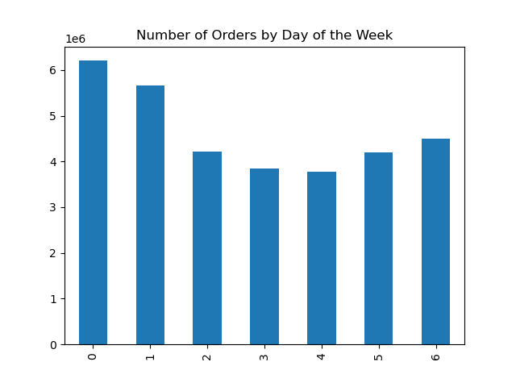
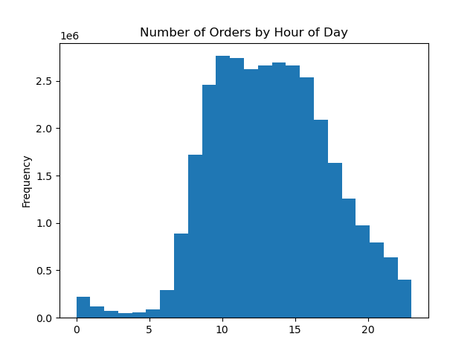

Legend
0 - Saturday
1 - Sunday
2 - Monday
3 - Tuesday
4 - Wednesday
5 - Thursday
6 - Friday

The weekend is the busiest time of the week while Tuesdays and Wednesdays are the quietest.
Most orders are placed between 10 am and 4pm. After 4pm, the number of orders decreases.

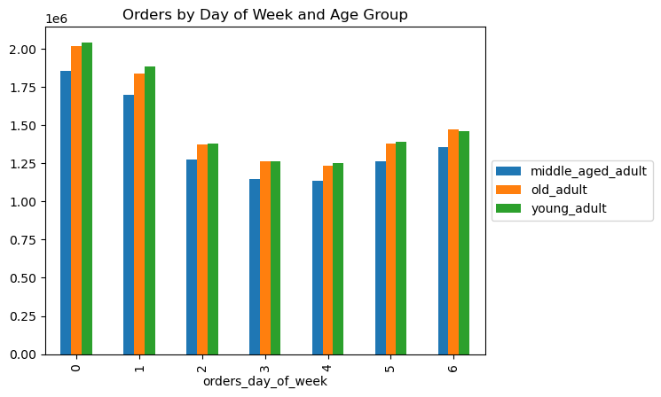
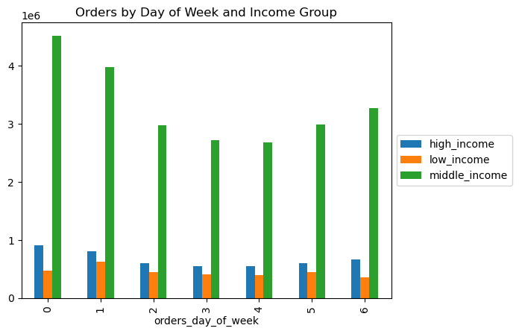
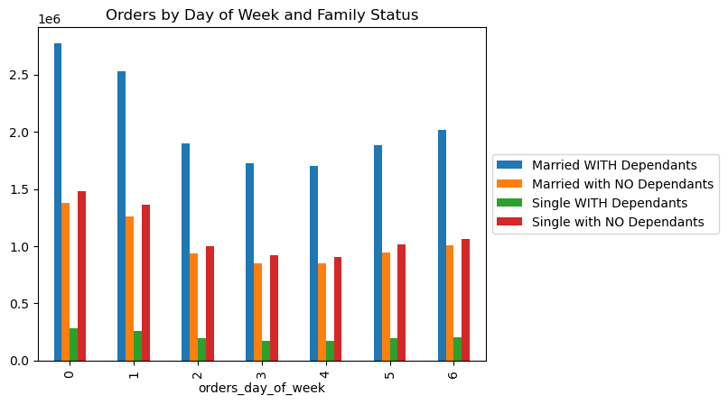

The weekend is the busiest time of the week for all customer profiles but low-income customers seem to order less on Saturdays.

Q2. | They also want to know whether there are particular times of the day when people spend the most money, as this might inform the type of products they advertise at these times.


There is a peak at 4 am but the price remains steady throughout the day.

Q3. | Instacart has a lot of products with different price tags. Marketing and sales want to use simpler price range groupings to help direct their efforts.
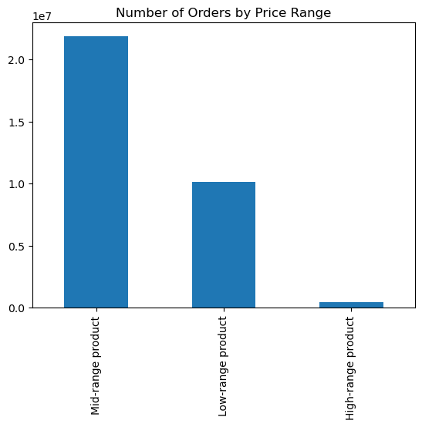

Conditions
'"Low-range product" (price is <= 5)
"Mid-range product" (price >5 and <=15)
"High-range product" (price > 15)

 |  | price_range_loc | Number of Orders | % of Total | Frequency | Average Price
 |  | Mid-range product | 20,891,771 | 67% | 10.8 | $9.76
 |  | Low-range product | 9,674,840 | 31% | 10.8 | $3.02
 |  | High-range product | 397,953 | 1% | 11.1 | $20.61

Mid-range price products are the most sold products followed by low-range products.
High-range products are purchased less frequently.

Q4 | Are there certain types of products that are more popular than others? The marketing and sales teams want to know which departments have the highest frequency of product orders.

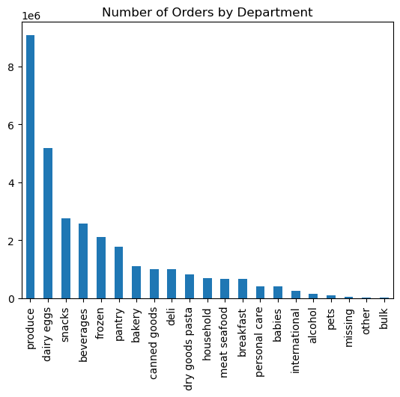

 |  | department | Number of Orders | % of Total | Frequency | Average Price
 |  | produce | 9,079,273 | 29% | 10.6 | $7.98
 |  | dairy eggs | 5,177,182 | 17% | 10.7 | $8.34
 |  | snacks | 2,766,406 | 9% | 10.7 | $4.28
 |  | beverages | 2,571,901 | 8% | 10.8 | $7.68
 |  | frozen | 2,121,731 | 7% | 11.4 | $7.73
 |  | pantry | 1,782,705 | 6% | 10.8 | $8.01
 |  | bakery | 1,120,828 | 4% | 10.8 | $7.86
 |  | canned goods | 1,012,074 | 3% | 11.3 | $7.55
 |  | deli | 1,003,834 | 3% | 11.1 | $7.78
 |  | dry goods pasta | 822,136 | 3% | 11.4 | $7.35
 |  | household | 699,857 | 2% | 11.6 | $7.38
 |  | meat seafood | 674,781 | 2% | 11.1 | $16.30
 |  | breakfast | 670,850 | 2% | 11.0 | $8.03
 |  | personal care | 424,306 | 1% | 11.3 | $8.00
 |  | babies | 410,392 | 1% | 9.8 | $7.63
 |  | international | 255,991 | 1% | 11.0 | $7.68
 |  | alcohol | 144,627 | 0% | 10.0 | $8.15
 |  | pets | 93,060 | 0% | 11.6 | $7.89
 |  | missing | 64,768 | 0% | 9.9 | $8.66
 |  | other | 34,411 | 0% | 10.6 | $6.96
 |  | bulk | 33,451 | 0% | 9.9 | $8.35

Produce, Dairy/eggs and snacks account for half of the orders.
Household and pet products are the ones bought with less frequency while baby products and alcohol are purchased more frequently.
The department with the highest average price is meat seafood and the one with the lowest is snacks.

Q5 | What’s the distribution among users in regards to their brand loyalty (i.e., how often do they return to Instacart)?


Conditions
"Loyal customer" (# of orders > 40)
"Regular customer" (# of orders <=40 and >10)
"New customer" (# of orders <10)

 |  | loyalty_flag | Number of Orders | % of Total | Frequency | Average Price
 |  | Regular customer | 15,876,776 | 51% | 12.2 | $7.80
 |  | Loyal customer | 10,284,093 | 33% | 6.0 | $7.77
 |  | New customer | 4,803,695 | 16% | 17.6 | $7.80

The majority of orders have been placed by regular customers. New customers are the ones placing fewer orders less often.
Loyal customers place orders more often.

Q6 | Are there differences in ordering habits based on a customer’s region?

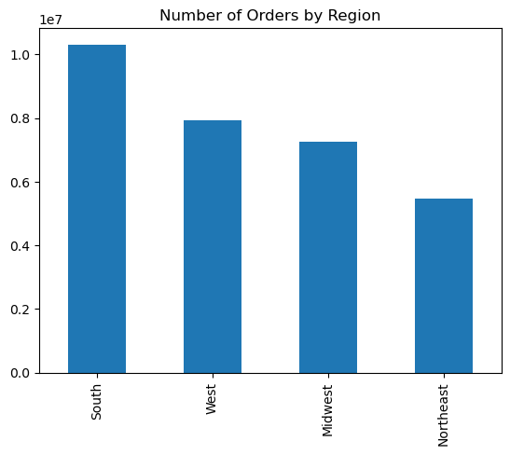

 |  | region | Number of Orders | % of Total | Frequency | Average Price
 |  | South | 10,311,139 | 33% | 10.8 | $7.79
 |  | West | 7,927,227 | 26% | 10.8 | $7.79
 |  | Midwest | 7,261,513 | 23% | 10.9 | $7.79
 |  | Northeast | 5,464,685 | 18% | 10.8 | $7.78

A third of orders have been placed by users located in the South region.
Ordering habits are consistent across all regions, with similar frequency, average price and product mix.

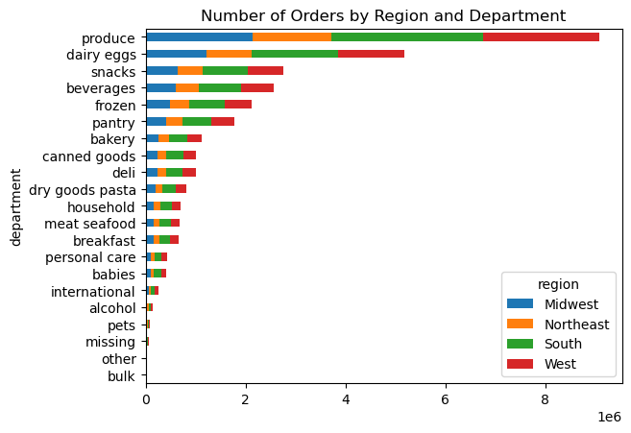

 |  |  | Region | produce | dairy eggs | snacks | others
 |  |  | Midwest | 29.4% | 16.7% | 8.9% | 45.0%
 |  |  | Northeast | 29.2% | 16.7% | 9.0% | 45.1%
 |  |  | South | 29.4% | 16.7% | 8.9% | 45.0%
 |  |  | West | 29.3% | 16.7% | 9.0% | 45.0%
 |  |  | Total | 29.3% | 16.7% | 8.9% | 45.0%

Q6 | Is there a connection between age and family status in terms of ordering habits?
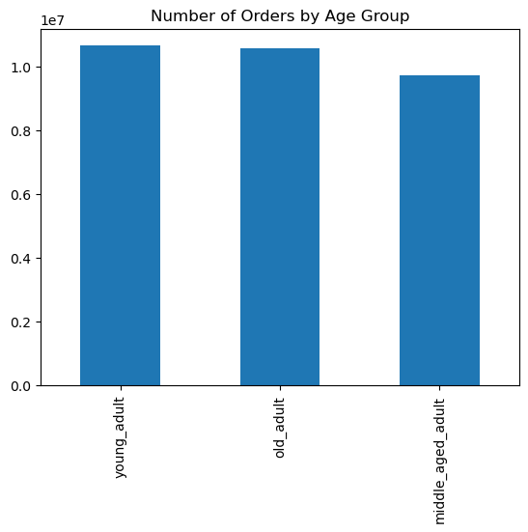

Conditions
"young_adult" (value < 40)
"middle_aged_adult" (value >= 40 and <60)
"old_adult" (value >= 60)

 |  | age_group | Number of Orders | % of Total | Frequency | Average Price
 |  | young_adult | 10,665,110 | 34% | 10.8 | $7.78
 |  | old_adult | 10,574,504 | 34% | 10.8 | $7.80
 |  | middle_aged_adult | 9,724,950 | 31% | 10.8 | $7.79

Middle-aged adults are the group that has placed fewer orders but the split between the 3 age groups is similar.
Ordering habits are consistent across age groups, with similar frequency and average price.

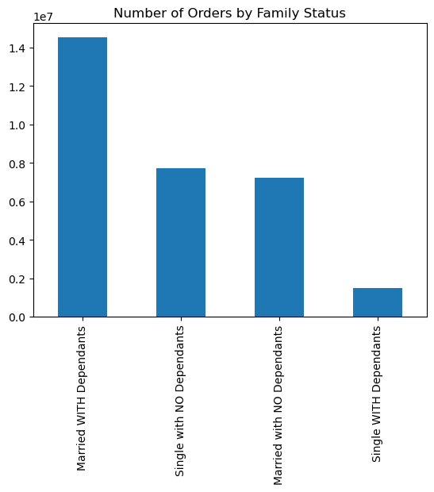

 |  | family_status_flag | Number of Orders | % of Total | Frequency | Average Price
 |  | Married WITH Dependants | 14,532,650 | 47% | 10.8 | $7.79
 |  | Single with NO Dependants | 7,739,681 | 25% | 10.8 | $7.79
 |  | Married with NO Dependants | 7,211,061 | 23% | 10.8 | $7.80
 |  | Single WITH Dependants | 1,481,172 | 5% | 10.8 | $7.80

Almost half of the orders have been placed by Married customers with Dependents while only 5% of orders are from Single customers WITH Dependants.
Ordering habits are consistent across different family statuses, with similar frequency and average price.

Q6 | What different classifications does the demographic information suggest? Age? Income? Certain types of goods? Family status?

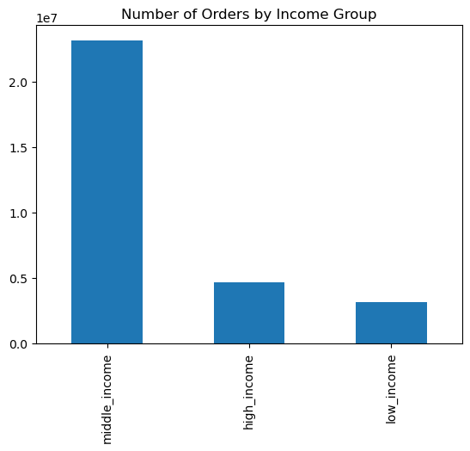
Conditions
"low_income" (<48,500)
"middle_income" (value >=48,500 and < 145,500)
"high_income" (value >=145,500)

 |  | income_group | Number of Orders | % of Total | Frequency | Average Price
 |  | middle_income | 23,128,350 | 75% | 10.8 | $7.91
 |  | high_income | 4,690,090 | 15% | 10.7 | $7.94
 |  | low_income | 3,146,124 | 10% | 11.2 | $6.68

75% of orders are placed from middle-income users while only 10% are from low-income users.
Ordering habits are different across income groups. Low-income users place orders less frequently and the average price is lower.
High and Middle-income users have similar frequency and average prices.

Q7 | What differences can you find in ordering habits of different customer profiles? Consider the price of orders, the frequency of orders, the products customers are ordering, and anything else you can think of.

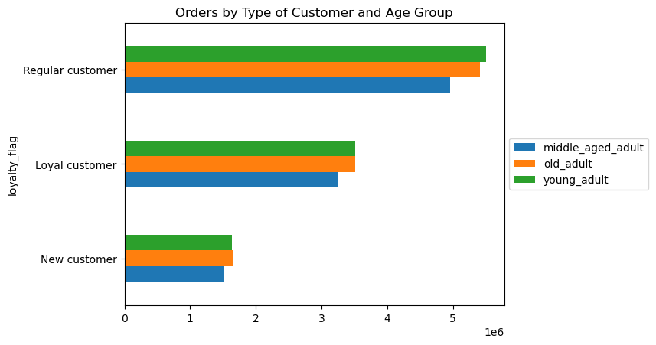

 |  |  |  | loyalty_flag | age_group | Number of Orders | % of Total | Frequency | Average Price
 |  |  |  | Regular customer | middle_aged_adult | 4,961,030 | 16% | 12.2 | $7.80
 |  |  |  |  | old_adult | 5,409,756 | 17% | 12.1 | $7.80
 |  |  |  |  | young_adult | 5,505,990 | 18% | 12.2 | $7.79
 |  |  |  | New customer | middle_aged_adult | 1,513,986 | 5% | 17.7 | $7.80
 |  |  |  |  | old_adult | 1,649,975 | 5% | 17.6 | $7.81
 |  |  |  |  | young_adult | 1,639,734 | 5% | 17.5 | $7.80
 |  |  |  | Loyal customer | middle_aged_adult | 3,249,934 | 10% | 6.0 | $7.77
 |  |  |  |  | old_adult | 3,514,773 | 11% | 6.0 | $7.78
 |  |  |  |  | young_adult | 3,519,386 | 11% | 6.0 | $7.77

The age distribution across the different types of customers is even.

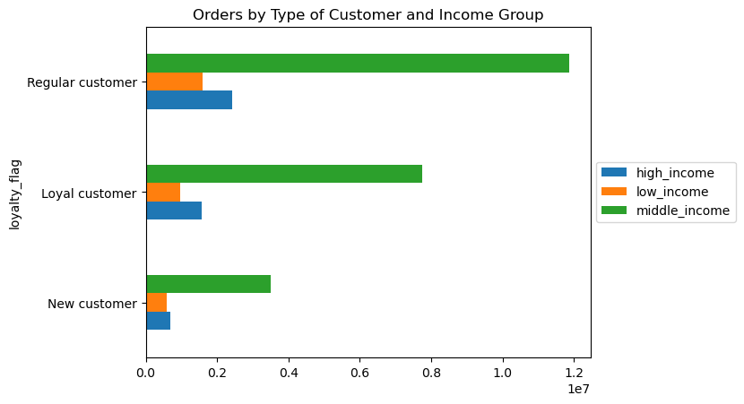

 |  |  |  | loyalty_flag | income_group | Number of Orders | % of Total | Frequency | Average Price
 |  |  |  | Regular customer | middle_income | 11,864,790 | 38% | 12.2 | $7.91
 |  |  |  |  | low_income | 1,592,753 | 5% | 12.3 | $6.70
 |  |  |  |  | high_income | 2,419,233 | 8% | 12.1 | $7.95
 |  |  |  | New customer | middle_income | 3,513,391 | 11% | 17.6 | $7.96
 |  |  |  |  | low_income | 589,972 | 2% | 17.7 | $6.60
 |  |  |  |  | high_income | 700,332 | 2% | 17.6 | $8.00
 |  |  |  | Loyal customer | middle_income | 7,750,169 | 25% | 6.0 | $7.88
 |  |  |  |  | low_income | 963,399 | 3% | 6.0 | $6.70
 |  |  |  |  | high_income | 1,570,525 | 5% | 6.0 | $7.91

The purchasing power across the different types of customers is similar.

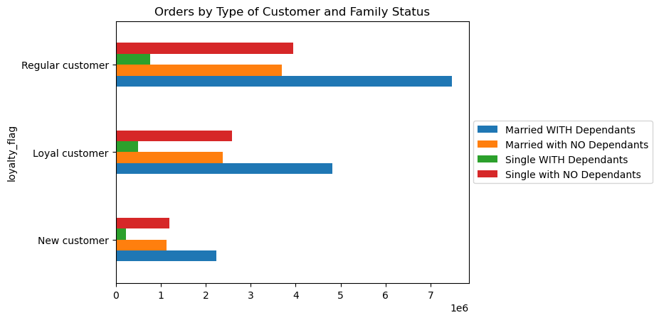

 |  |  |  | loyalty_flag | family_status_flag | Number of Orders | % of Total | Frequency | Average Price
 |  |  |  | Regular customer | Single with NO Dependants | 3,949,572 | 13% | 12.2 | $7.79
 |  |  |  |  | Single WITH Dependants | 766,644 | 2% | 12.1 | $7.80
 |  |  |  |  | Married with NO Dependants | 3,689,346 | 12% | 12.1 | $7.81
 |  |  |  |  | Married WITH Dependants | 7,471,214 | 24% | 12.2 | $7.80
 |  |  |  | New customer | Single with NO Dependants | 1,201,265 | 4% | 17.6 | $7.80
 |  |  |  |  | Single WITH Dependants | 221,779 | 1% | 17.7 | $7.81
 |  |  |  |  | Married with NO Dependants | 1,136,142 | 4% | 17.5 | $7.81
 |  |  |  |  | Married WITH Dependants | 2,244,509 | 7% | 17.6 | $7.80
 |  |  |  | Loyal customer | Single with NO Dependants | 2,588,844 | 8% | 6.0 | $7.78
 |  |  |  |  | Single WITH Dependants | 492,749 | 2% | 6.0 | $7.80
 |  |  |  |  | Married with NO Dependants | 2,385,573 | 8% | 6.0 | $7.77
 |  |  |  |  | Married WITH Dependants | 4,816,927 | 16% | 6.0 | $7.77

The family status across the different types of customers is similar.

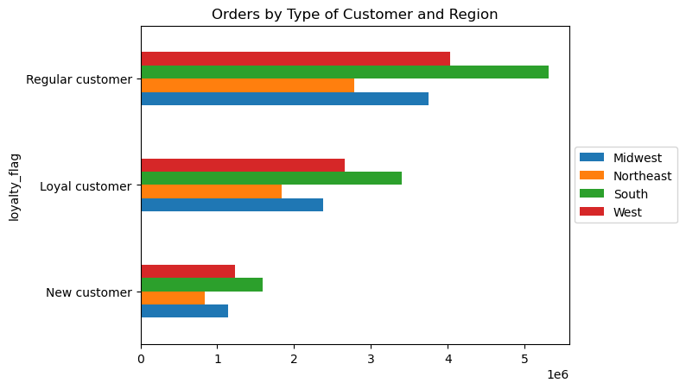

 |  |  |  | loyalty_flag | region | Number of Orders | % of Total | Frequency | Average Price
 |  |  |  | Regular customer | Midwest | 3,750,978 | 12% | 12.2 | $7.80
 |  |  |  |  | Northeast | 2,780,744 | 9% | 12.1 | $7.79
 |  |  |  |  | South | 5,311,631 | 17% | 12.1 | $7.80
 |  |  |  |  | West | 4,033,423 | 13% | 12.1 | $7.80
 |  |  |  | New customer | Midwest | 1,136,761 | 4% | 17.6 | $7.81
 |  |  |  |  | Northeast | 842,156 | 3% | 17.6 | $7.78
 |  |  |  |  | South | 1,593,664 | 5% | 17.6 | $7.80
 |  |  |  |  | West | 1,231,114 | 4% | 17.6 | $7.81
 |  |  |  | Loyal customer | Midwest | 2,373,774 | 8% | 6.1 | $7.78
 |  |  |  |  | Northeast | 1,841,785 | 6% | 6.0 | $7.77
 |  |  |  |  | South | 3,405,844 | 11% | 6.0 | $7.78
 |  |  |  |  | West | 2,662,690 | 9% | 6.0 | $7.77

Regular, New and Loyal Customers have a similar distribution across the different regions.

 | Meat Customers
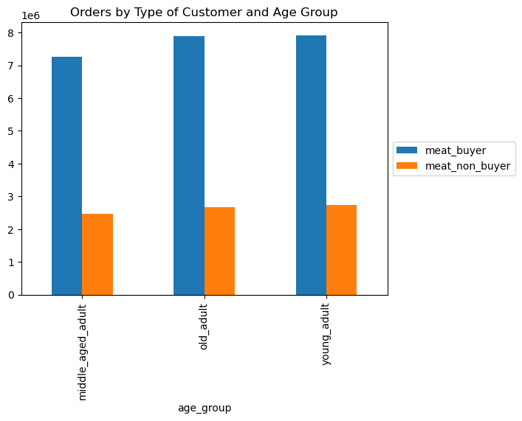
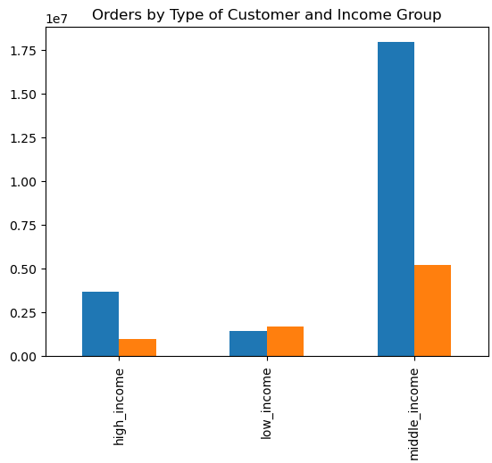
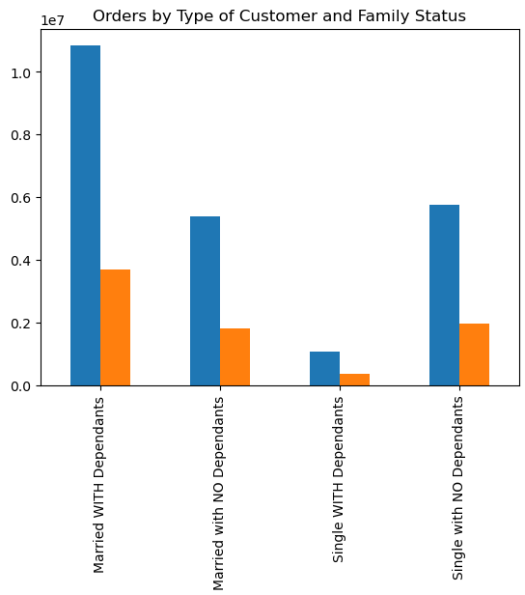
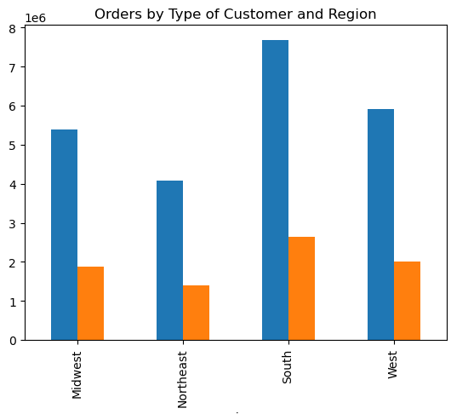

Low-income customers buy less meat and seafood products.

 | Snack Customers
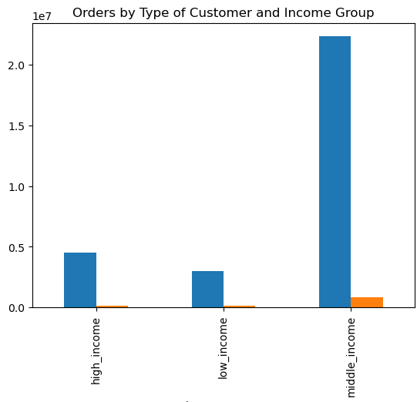
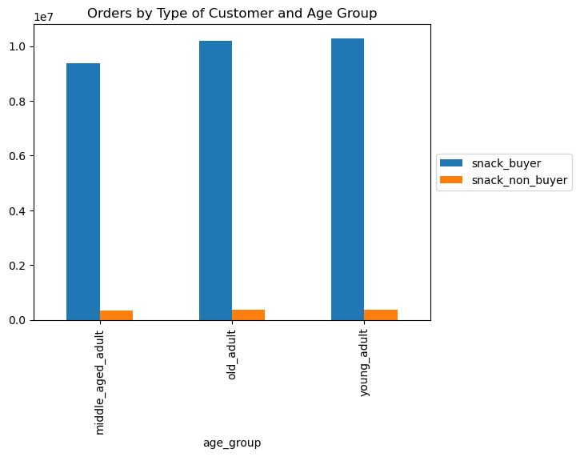
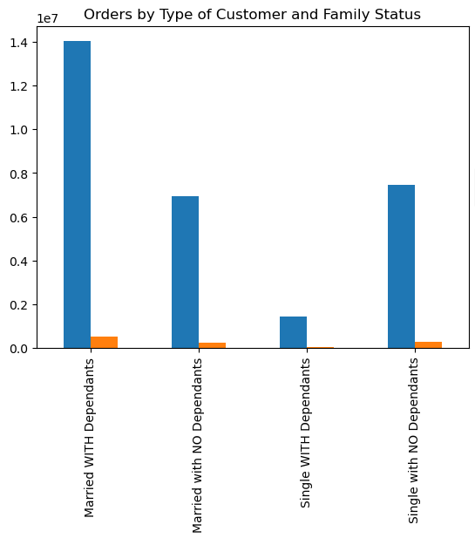
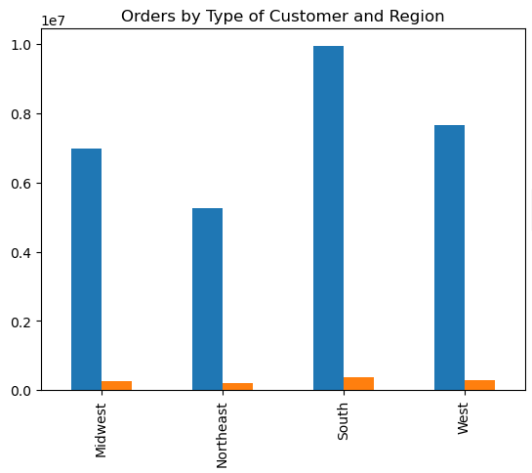

Most customers have purchased snacks. Ordering habits between snack buyers and non buyers are consistent with the general trends.

7. Recommendations
 |  |  | Title page

Recommendations

In this tab you should include any recommendations you would made to Instcart in terms of their marketing strategy based on the questions posed in the brief. Every key question has been covered in the Tasks of the Exercises - here you need to add an item - a visualisation or table/crosstable that is showing the answer in the data, acompanied by a comment from you. Please, list the questions below and add the answer underneath.

Question | Answer | Recommendation
The sales team needs to know what the busiest days of the week and hours of the day are (i.e., the days and times with the most orders) in order to schedule ads at times when there are fewer orders. | - The weekend is the busiest time of the week while Tuesdays and Wednesdays are the quietest. - Most orders are placed between 10 am and 4 pm. After 4 pm, the number of orders decreases. - The weekend is the busiest time of the week for all customer profiles but low-income customers seem to order less on Saturdays. | - Running ads between Monday and Wednesday - Offering a promo code to be used on Wednesdays - Running ads between 4 pm and 10 pm - Even though very few orders are placed in the early morning (12 am - 6 am), the recommendation is to not run ads during this time of the day -
They also want to know whether there are particular times of the day when people spend the most money, as this might inform the type of products they advertise at these times. | There is a peak at 4 am but the price remains steady throughout the day. | - Highly priced items can be promoted in the morning, between 4 am and 7 am
Instacart has a lot of products with different price tags. Marketing and sales want to use simpler price range groupings to help direct their efforts. | - Mid-range price products are the most sold products followed by low-range products. - High-range products are purchased less frequently. | - Running ads to promote high-range price products
Are there certain types of products that are more popular than others? The marketing and sales teams want to know which departments have the highest frequency of product orders. | - Produce, Dairy/eggs and snacks account for half of the orders. - Household and pet products are the ones bought with less frequency while baby products and alcohol are purchased more frequently. - The department with the highest average price is meat seafood and the one with the lowest is snacks. | - Snack products account for 9% of sales but have the lowest average price. Introducing snacks with a higher price could help drive revenue for this category.
What’s the distribution among users in regards to their brand loyalty (i.e., how often do they return to Instacart)? | -The majority of orders have been placed by regular customers. - New customers are the ones placing fewer orders less often. - Loyal customers place orders more often. | - Running ads to new customers to try to increase the frequency at which they place orders. - Offering a loyalty program to try to turn regular customers into loyal customers.
Are there differences in ordering habits based on a customer’s region? | - A third of orders have been placed by users located in the South region. - Ordering habits are consistent across all regions, with similar frequency, average price and product mix. | - Running ads to target the Northeast, Midwest and West regions
Is there a connection between age and family status in terms of ordering habits? | - Middle-aged adults are the group that has placed fewer orders but the split between the 3 age groups is similar. - Ordering habits are consistent across age groups, with similar frequency and average price. - Almost half of the orders have been placed by Married customers with Dependents while only 5% of orders are from Single customers WITH Dependants. - Ordering habits are consistent across different family statuses, with similar frequency and average price. | - Introducing affordable items for kids to incentivize purchases from Single customers with dependents. - Running ads for customers with no dependents.
What different classifications does the demographic information suggest? Age? Income? Certain types of goods? Family status? | - 75% of orders are placed from middle-income users while only 10% are from low-income users. - Ordering habits are different across income groups. Low-income users place orders less frequently and the average price is lower. High and Middle-income users have similar frequency and average prices. | - Running ads targeting high and low-income customers. - Introducing and promoting prestige items to engage high-income customers. - Introducing and promoting affordable items to boost purchases from low-income customers.
What differences can you find in ordering habits of different customer profiles? Consider the price of orders, the frequency of orders, the products customers are ordering, and anything else you can think of. | - The age distribution across the different types of customers is even. - The purchasing power across the different types of customers is similar. - The family status across the different types of customers is similar. - Regular, New and Loyal Customers have a similar distribution across the different regions. | - See recommendations for the different groups
Customer profile = meat customer | Low-income customers buy less meat and seafood products. | - Introduce and promote non-animal protein to incentivize more purchases from low-income customers
Customer profile = snack customer | Most customers have purchased snacks. Ordering habits between snack buyers and non buyers are consistent with the general trends. | - See recommendations for the different groups

